Sheet1
 |  |  |  | Standard Scaler Formula |  |  | Height | Vaiance | Variance Square | SD
 | Age | Variance | Variance Squared |  | Salary |  | 600 | 206 | 42436 |  | 1.4013605442
 | 44 | 8.2 | 67.24 | 0.57868736768 |  |  | 470 | 76 | 5776
 | 27 | -8.8 | 77.44 | -0.6210303458 |  |  | 170 | -224 | 50176
 | 30 | -5.8 | 33.64 | -0.40931545519 |  |  | 430 | 36 | 1296
 | 38 | 2.2 | 4.84 | 0.15525758645 |  |  | 300 | -94 | 8836
 | 40 | 4.2 | 17.64 | 0.29640084686 |  | Mean | 394 |  | 21704 | 147
Mean= | 35.8 |  | 200.8
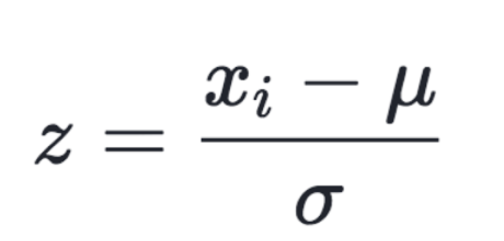
 |  |  |  |  |  | Mean | 394
SD= | 14.170391667 |  |  |  | Mean
 |  |  |  |  | Variaince
 |  |  | StandardizeFormula |  | Vairance
 |  |  |  |  | SD

 |  |  | Normalize formula

